Custom Made Shoes
Overview Page

 | Same as pair-by-pair
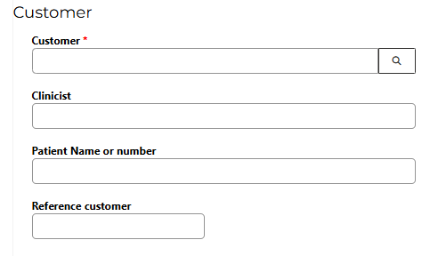

 |  | Customer OBLIGED

 |  | Reference Customer OBLIGED

 | Type ( needs to be filled in) OBLIGED
 | Ladies
 | Men | Tickbox
 | Children

 | Shoes
 | Pair ( by default selected on pair) | Tickbox
 | Left
 | Right

LAST & FITTING SHOES
 | Last
 | Blueprint ( thickbox)
 | If yes, option to upload the blueprint will appear

 | Footscan (thickbox)
 | If yes, option to upload the blueprint will appear

cs1.0.01_yn | Wooden Last (thickbox)
cs1.0.02_yn | Plastercast (thickbox)

cs1.0.01_lf_rf | Last Height | Left Free fill in in mm | Right Free fill in in mm

cs1.0.02_lf_rf | Heel Height | Left Free fill in in mm | Right Free fill in in mm

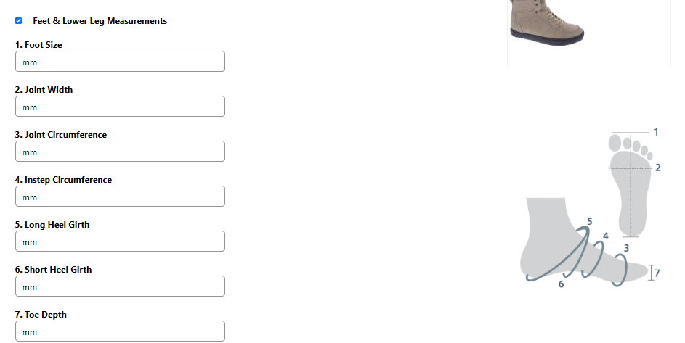
cs1.0.03_lf_rf | Toe Jump | Left Free fill in in mm | Right Free fill in in mm

cs1.0.04_lf_rf | Toe Height | Left Free fill in in mm | Right Free fill in in mm

cs1.0.03_yn | Sharp heel Edge ( thickbox)
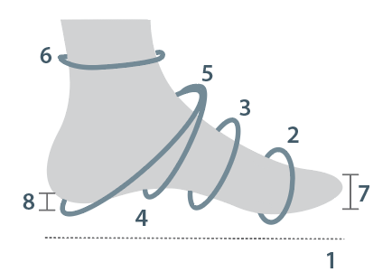
 | Last measurements

 | ( what we took away from pair- by pair) | Left | Right
cs1.11_lf_rf | 1: Footsize | Free fill in in mm | Free fill in in mm
cs1.12_lf_rf | 2: Joint Width | Free fill in in mm | Free fill in in mm
cs1.13_lf_rf | 3: Joint Circumference | Free fill in in mm | Free fill in in mm
cs1.14_lf_rf | 4: Instep Circumference | Free fill in in mm | Free fill in in mm
cs1.15_lf_rf | 5: Long Heel Girth | Free fill in in mm | Free fill in in mm
cs1.16_lf_rf | 6: Heel Circumference (???) | Free fill in in mm | Free fill in in mm
cs1.17_lf_rf | 7: Toe Depth | Free fill in in mm | Free fill in in mm
cs1.18_lf_rf | 8: Heel Height | Free fill in in mm | Free fill in in mm

 | Leg and Ankle Circumference
 | Left | Height | Right
cs1.21_lf_rf cs1.21_hg_ch | free fill in | 350mm | Free fill in
cs1.22_lf_rf cs1.22_hg_ch | free fill in | 300mm | Free fill in
cs1.23_lf_rf cs1.23_hg_ch | free fill in | 250mm | Free fill in
cs1.24_lf_rf cs1.24_hg_ch | free fill in | 200mm | Free fill in
cs1.25_lf_rf cs1.25_hg_ch | free fill in | 150mm | Free fill in
cs1.26_lf_rf cs1.26_hg_ch | free fill in | 120 mm | Free fill in

 | Toe Height
 | Left | Height | Right
cs1.31_lf_rf_hg cs1.31_hg_ch | free fill in | I | Free fill in
cs1.32_lf_rf_hg cs1.32_hg_ch | free fill in | II | Free fill in
cs1.33_lf_rf_hg cs1.33_hg_ch | free fill in | III | Free fill in
cs1.34_lf_rf_hg cs1.34_hg_ch | free fill in | IV | Free fill in
cs1.35_lf_rf_hg cs1.35_hg_ch | free fill in | V | Free fill in

 | Fitting Shoes

cs1.41_yn | Plastic Fitting Shoes ( thickbox) If yes, following will appear
cs1.41.01_lf_rf | Height | Left ( free fill in in mm) | Right (free fill in in mm)
cs1.41.02_lf_rf | Heel Height | Left ( free fill in in mm) | Right (free fill in in mm)

 | Toe Shape
cs1.51_yn | Square (thickbox) |  | ALL OPTIONS NEED A PICTURE. WILL SEND YOU LATER ON
cs1.52_yn | Pointed (thickbox)
cs1.53_yn | Rounded (thickbox)
cs1.54_yn | Nature (thickbox)

SUPPLEMENT
 | Supplement Material
cs2.11_lf_rf_yn | Multiform + Cork | Left (thickbox) | Right (thickbox)
cs2.12_lf_rf_yn | Micro Cork | Left (thickbox) | Right (thickbox)
cs2.13_lf_rf_yn | Multiform | Left (thickbox) | Right (thickbox)

 | Supplement

cs2.21_yn | Standard (thickbox) if yes Left and Right will appear |  | ALL OPTIONS NEED A PICTURE. WILL SEND YOU LATER ON
cs2.21.01_lf | Left Free fill in in mm
cs2.21.01_rf | Right Free fill in in mm

cs2.22_yn | Lateral Low Reinforcement (thickbox) if yes Left and Right will appear and Material
cs2.22.01_lf | Left Free fill in in mm
cs2.22.01_rf | Right Free fill in in mm
cs2.21.01_m_ch | Material?

cs2.23_yn | Medial Low Reinforcement (thickbox) if yes Left and Right will appear and Material
cs2.23.01_lf | Left Free fill in in mm
cs2.23.01_rf | Right Free fill in in mm
cs2.23.01_m_ch | Material?

cs2.24_yn | Heel Low Reinforcement (thickbox) if yes Left and Right below Left Medial and Lateral and below Right also medial and Lateral ( free fill in in mm) and Below 1xMaterial
cs2.24.01_lf_rf | Left Free fill in in mm | Right Free fill in in mm
cs2.24.01_lt_lf_rf | Lateral Free fill in in mm | Lateral Free fill in in mm
cs2.24.01_md_lt_rf | Medial Free fill in in mm | Medial Free fill in in mm
cs2.24.01_m_ch | Material

cs2.25_yn | Surrounding Orthoses (thickbox) if yes Left and Right below Left Medial and Lateral and below Right also medial and Lateral ( free fill in in mm) and Below 1xMaterial
cs2.25.01_lf_rf | Left Free fill in in mm | Right Free fill in in mm
cs2.25.01_lt_lf_rf | Lateral Free fill in in mm | Lateral Free fill in in mm
cs2.25.01_md_lt_rf | Medial Free fill in in mm | Medial Free fill in in mm
cs2.25.01_m_ch | Material

cs2.26_yn | Lateral and Medial Orthoses (thickbox) if yes Left and Right below Left Medial and Lateral and below Right also medial and Lateral ( free fill in in mm) and Below 1xMaterial
cs2.26.01_lf_rf | Left Free fill in in mm | Right Free fill in in mm
cs2.26.01_lt_lf_rf | Lateral Free fill in in mm | Lateral Free fill in in mm
cs2.26.01_md_lt_rf | Medial Free fill in in mm | Medial Free fill in in mm
cs2.26.01_m_ch | Material

cs2.27_yn | Lateral Orthoses (thickbox) if yes Left and Right will appear and Material
cs2.27.01_lf | Left Free fill in in mm
cs2.27.01_rf | Right Free fill in in mm
cs2.27.01_m_ch | Material?

cs2.28_yn | Medial Orthoses (thickbox) if yes Left and Right will appear and Material
cs2.28.01_lf | Left Free fill in in mm
cs2.28.01_rf | Right Free fill in in mm
cs2.28.01_m_ch | Material?

cs2.29_yn | Forefoot Provision (thickbox) if yes Left and Right will appear
cs2.29.01_lf | Left Free fill in in mm
cs2.29.01_rf | Right Free fill in in mm

 | Supplement Measurements
 |  | LEFT | RIGHT
cs2.31_lt_lf_rf | Heel | Medial Free fill in in mm | Medial Free fill in in mm
cs2.31_md_lt_rf |  | Lateral Free fill in in mm | Lateral Free fill in in mm
cs2.32_lt_lf_rf | Ball | Medial Free fill in in mm | Medial Free fill in in mm
cs2.32_md_lt_rf |  | Lateral Free fill in in mm | Lateral Free fill in in mm
cs2.33 | Toe | 1 free fill in

 | Rocker

cs2.41_ch

 | (same as pair-by pair)
cs2.41_lf_rf | But when choosing a rocker they must fill in --> LEFT and RIGHT free fill in in mm

cs2.42_yn | Flare on the back ( if yes, left and right will appear with Medial and Lateral Free fill in in mm | LEFT | RIGHT
cs2.42_lt_lf_rf |  | Medial Free fill in in mm | Medial Free fill in in mm
cs2.42_md_lt_rf |  | Lateral Free fill in in mm | Lateral Free fill in in mm

cs2.43_yn | Flare on the Front ( if yes, left and right will appear with Medial and Lateral Free fill in in mm | LEFT | RIGHT
cs2.43_lt_lf_rf |  | Medial Free fill in in mm | Medial Free fill in in mm
cs2.43_md_lt_rf |  | Lateral Free fill in in mm | Lateral Free fill in in mm

 | Leg Length Difference
cs2.51_yn | Left leg is shorter than right leg (thickbox) If yes, free fill in in mm
cs2.51
cs2.52_yn | Right leg is shorter than left leg (thickbox) If yes, free fill in in mm
cs2.52
UPPER
 | Model
 | Article number | When choosing article number - line drawing comes op | Upper Leather 1: Black 001042 ( LINKED TO PRODUCT SHEET)
 |  | with information about lining --> example | Upper Leather 2: Blue 0015258
 |  |  | Upper Leather 3: Green 10012

 | Upper height | Left | Right
 |  | Free fill in in mm | Free fill in in mm

 | Upper Leather

 | Upper 1: | Dropdown with example with all the leathers which are available
 | Upper 2:
 | Upper 3:
 | Upper 4:
 | etc

 | Lining OBLIGED
 | Upper | Dropdown with:
 |  | Leather
 |  | Black Leather
 |  | Diabetic
 |  | Fur
 |  | Anti-Allergic
 |  | Sympatex

 | Rest | Dropdown with:
 |  | Leather
 |  | Black Leather
 |  | Diabetic
 |  | Fur
 |  | Anti-Allergic
 |  | Sympatex

 | Anti-slip heel | Tickbox ( not obliged)
 | Perforated lining | Tickbox ( not obliged)

 | Closure OBLIGED

 | Laces | Tickbox; if yes,dropdown with all laces which are available

 | Velcro | Tickbox; if yes,dropdown with:

 |  | Velcro Direct thickbox

 |  | Velcro Passant Thickbox; if yes thickbox Medial or Lateral
 |  | Medial thickbox
 |  | Lateral thickbox

 |  | D-ring thickbox

 |  | Making Velcro longer; if yes
 |  | free fill in in mm

 |  | Making Velcro wider; if yes
 |  | free fill in in mm

 | Zipper | Thickbox; if yes, left and right will appear

 |  | Left thickbox; if yes, medial and lateral will appear | Right thickbox; if yes, medial and lateral will appear
 |  | Medial thickbox | Medial thickbox
 |  | Lateral thickbox | Lateral thickbox

 | Hooks and Eyelets | Thickbox; if yes
 |  | Amount of Hooks; free fill in
 |  | Amount of Eyelets; free fill in

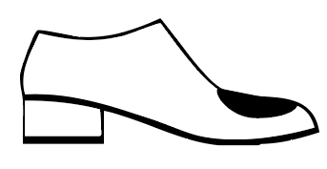
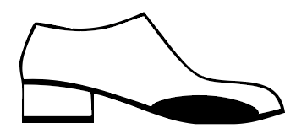
 | Twist Lock System | Thickbox

 | Stretch
 | Upper ( please place picture see-->) | Thickbox
 | Medial and Lateral Side (please place picture, see -->) | Thickbox

 | Ankle Heel and Quarter

 | Ankle Heel | Thickbox; If yes, left and right will appear

 |  | Left Thickbox; If yes, medial and lateral will appear |  | Right Thickbox; If yes, medial and lateral will appear

 |  | Medial Thickbox; If yes, 3mm and 6mm will appear | Lateral Thickbox; If yes, 3mm and 6mm will appear | Medial Thickbox; If yes, 3mm and 6mm will appear | Lateral Thickbox; If yes, 3mm and 6mm will appear

 |  | 3mm thickbox |  | 3mm thickbox
 |  | 6mm thickbox |  | 6mm thickbox

 | Quarter | Thickbox; If yes, left and right will appear

 |  | Left Thickbox; If yes, medial and lateral will appear |  | Right Thickbox; If yes, medial and lateral will appear

 |  | Medial Thickbox; If yes, 3mm and 6mm will appear | Lateral Thickbox; If yes, 3mm and 6mm will appear | Medial Thickbox; If yes, 3mm and 6mm will appear | Lateral Thickbox; If yes, 3mm and 6mm will appear

 |  | 3mm thickbox |  | 3mm thickbox
 |  | 6mm thickbox |  | 6mm thickbox

 | Collar

 | Extra Padding in Collar | Thickbox; If yes, 4mm, 6mm and 10mm will appear
 |  | 4mm thickbox
 |  | 6mm thickbox
 |  | 10mm thickbox

 | Tongue

 | Extra Padding in Tongue | Thickbox; If yes, 3mm, 6mm, 8mm and 10mm will appear
 |  | 3mm thickbox
 |  | 6mm thickbox
 |  | 8mm thickbox
 |  | 10mm thickbox

 | Tongue Reinforcement | Thickbox; if yes; following options will appear
 |  | Ercoflex 1.5mm thickbox
 |  | Ercoflex 3mm thickbox
 |  | Rhenoflex 0.6mm thickbox
 |  | Rhenoflex 1 mm thickbox
 |  | Rhenoflex 1.2 mm thickbox

 | Tongue with Velcro | Thickbox; if yes medial and lateral will appear
 |  | Medial thickbox; if yes option Stitched
 |  | Stitched thickbox
 |  | Lateral thickbox; if yes optrion Stitched
 |  | Stitched thickbox

 | Watertongue | Thickbox
 | Tongue incision | Thickbox

 | AFO

 | Left thickbox | If yes, Medial and Perimeter will appear
 |  | Medial free fill in in mm
 |  | Perimeter free fill in in mm

 | Right thickbox | If yes, Medial and Perimeter will appear
 |  | Medial free fill in in mm
 |  | Perimeter free fill in in mm

 | Busk

 | Left thickbox | If yes, Medial and Lateral will appear
 |  | Medial free fill in in mm
 |  | Lateral free fill in in mm

 | Right thickbox | If yes, Medial and Lateral will appear
 |  | Medial free fill in in mm
 |  | Lateral free fill in in mm

 | Others
 | Extra pair of Laces (thickbox)

SHOE SOLES
 | Heel Type

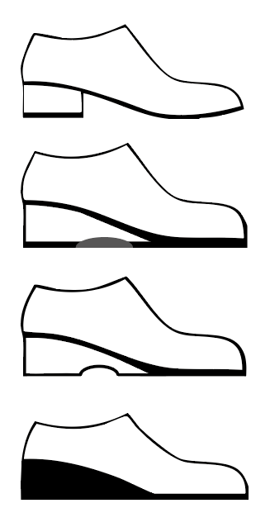
 | Heel ( thickbox) | if yes, Left and Right will appear (thickbox)

 |  | Left, Medial and Lateral Will appear (thickbox)
 |  | Right, Medial and Lateral Will appear (thickbox)

 |  | Medial (thickbox)
 |  | Lateral (thickbox)

 | Hollow Wedge (thickbox) | if yes, Left and Right will appear (thickbox)

 |  | Left, Medial and Lateral Will appear (thickbox)
 |  | Right, Medial and Lateral Will appear (thickbox)

 |  | Medial (thickbox)
 |  | Lateral (thickbox)

 | Fully Hollow Wedge (thickbox) | if yes, Left and Right will appear (thickbox)

 |  | Left, Medial and Lateral Will appear (thickbox)
 |  | Right, Medial and Lateral Will appear (thickbox)

 |  | Medial (thickbox)
 |  | Lateral (thickbox)

 | Wedge (thickbox) | if yes, Left and Right will appear (thickbox)

 |  | Left, Medial and Lateral Will appear (thickbox)
 |  | Right, Medial and Lateral Will appear (thickbox)

 |  | Medial (thickbox)
 |  | Lateral (thickbox)

 | Height | Left ( Free fill in in mm)
 |  | Right ( free fill in in mm)

 | Measurement Back (thickbox)
 | Measurement Side (thickbox)

 | Rocker Sole

 | Heel (thickbox) | if yes, Left and Right will appear (thickbox)

 |  | Left if yes, free fill in mm will appear
 |  | Right if yes, free fill in mm will appear

 | Joint (thickbox) | if yes, Left and Right will appear (thickbox)

 |  | Left if yes, free fill in mm will appear
 |  | Right if yes, free fill in mm will appear

 | Toes (thickbox) | if yes, Left and Right will appear (thickbox)

 |  | Left if yes, free fill in mm will appear
 |  | Right if yes, free fill in mm will appear

 | Rocker Sole Type | (same as pair-by-pair)

 | Removable Carbon Insole (thickbox)

 | Sole Stiffening (thickbox)

 | Soles

 | Same as pair-by-pair but with pictures of the soles | ( will deliver pictures of a later stage)

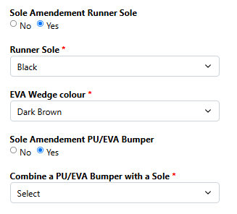

 | Others

 | Rounded | if yes, Left and Right will appear (thickbox)

 |  | Left (thickbox)
 |  | Right (thickbox)

 |  | one open space free fill in ( Free fill in in mm)

 | Flare | if yes, Left and Right will appear (thickbox)

 |  | Left (thickbox)
 |  | Right (thickbox)

 | Inwards | if yes, Left and Right will appear (thickbox)

 |  | Left (thickbox)
 |  | Right (thickbox)

 | Sach Heel | if yes, Left and Right will appear (thickbox)

 |  | Left (thickbox)
 |  | Right (thickbox)

 | Thomas Heel | if yes, Medial and Lateral will appear (thickbox)

 |  | Medial (thickbox)
 |  | Lateral (thickbox)

Stiffener s&Toe Options
 | Stiffeners Materials

 | Type |  |  | PICTURES OF THE 20 OPTIONS WILL FOLLOW
 | Left (20 options will appear) |  | Right ( 20 options will appear)

 | When choosing an option Material First Layer and Material Second Layer will appear ( Free fill in) |  | When choosing an option Material First Layer and Material Second Layer will appear ( Free fill in)

 | Height First Material | Height Second Material | Height First Material | Height Second Material
 | Back (free fill in in mm) | Back (free fill in in mm) | Back (free fill in in mm) | Back (free fill in in mm)
 | Medial ( Free fill in in mm) | Medial ( Free fill in in mm) | Medial ( Free fill in in mm) | Medial ( Free fill in in mm)
 | Lateral ( Free fill in in mm) | Lateral ( Free fill in in mm) | Lateral ( Free fill in in mm) | Lateral ( Free fill in in mm)

 | Toe Options
 | No toe appicable Thickbox for left and right
 | Normal thickbox for left and left + material
 | Short thickbox for left and left + material
 | Front thickbox for left and left + material
 | Wing thickbox for left and left + material
 | External Protectove Toe cap

 | Urgent order (thickbox) Don't know where to place yet

